TestSummary
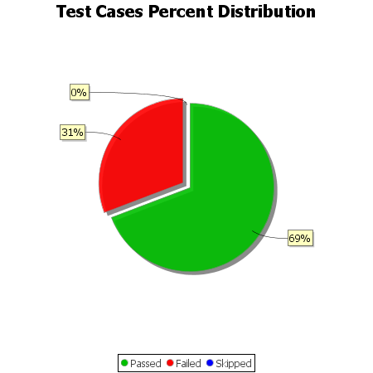
Total Test Cases | 13
Test Cases Passed | 9
Test Cases Failed | 4
Test Cases Skipped | 0

